Name Variation
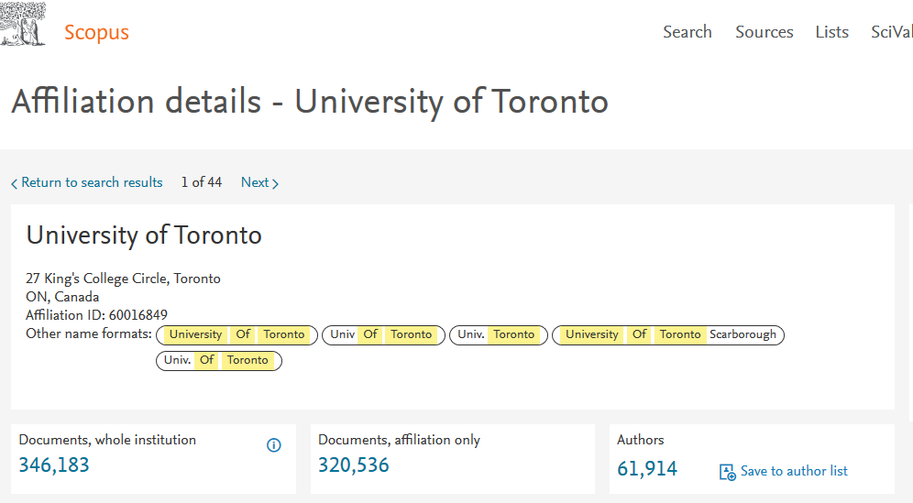
No. | University Name Variations List | Scopus ID (If applicable )
Example | University of Toronto | 60016849
2 | XYZ National University, College of Medicine
3 | XYZ National University College of Medicine
4 | XYZ National Univ. College of Medicine
5 | XYZ National University Medical Center
6 | XYZ National University Hospital
7 | XYZ Natl University
8 | XYZ Ntl University
9 | XYZ Nat. University
10 | XYZ National Univ
11 | XYZ National Univ.
12 | XYZ National Uni
13 | XYZ Natl Univ

